Requirements
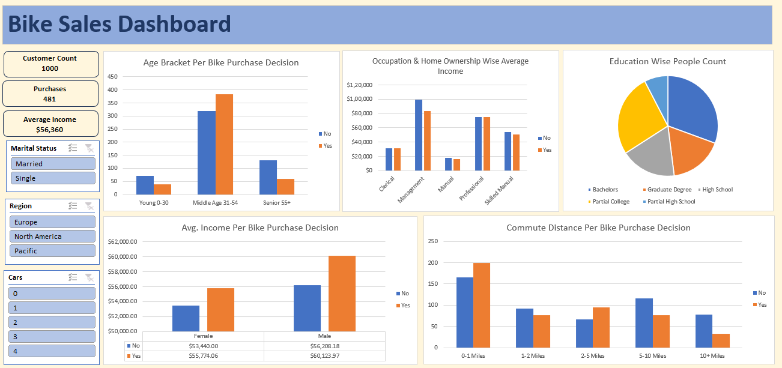

Project 3 - Bike Users Data

 | 1. Clean the data. Check for duplicate rows in the data.

 | 2. Pivot Insights
 | Generate following insights using pivot tables:
 | a) Gender wise Avg. Income Per Bike Purchase Decision.
 | b) Commute Distance Per Bike Purchase Decision.
 | c) Age Bracket Per Bike Purchase Decision.
 | d) Occupation & Home Ownership Wise Average Income.
 | e) People Count based on Education.

 | 3. Create a dashboard. Refer to the image of expected dashboard.

Dashboard
Bike Sales Dashboard

1000
Customer Count
Age Bracker Per Bike Purchase Decision
 | No | Yes
Young (0-30) | 71 | 39
Middle Age (31-54) | 318 | 383
Senior (55+) | 130 | 59
Occupation & Home Ownership Wise Average Income
 | No | Yes
Clerical | $31,111.11 | $31,052.63
Management | $99,444.44 | $83,284.67
Manual | $17,551.02 | $16,142.86
Professional | $75,360.82 | $74,916.20
Skilled Manual | $53,750.00 | $50,765.03
Education Wise People Count
 | Total
Bachelors | 306
Graduate Degree | 174
High School | 179
Partial College | 265
Partial High School | 76

481
Purchases

$56,360
Average Income

Avg. Income Per Bike Purchase Decision
 | No | Yes
F | $53,440.00 | $55,774.06
M | $56,208.18 | $60,123.97
Commute Distance Per Bike Purchase Decision
 | No | Yes
0-1 Miles | 166 | 200
1-2 Miles | 92 | 77
2-5 Miles | 67 | 95
5-10 Miles | 116 | 76
10+ Miles | 78 | 33

`

